Sheet1


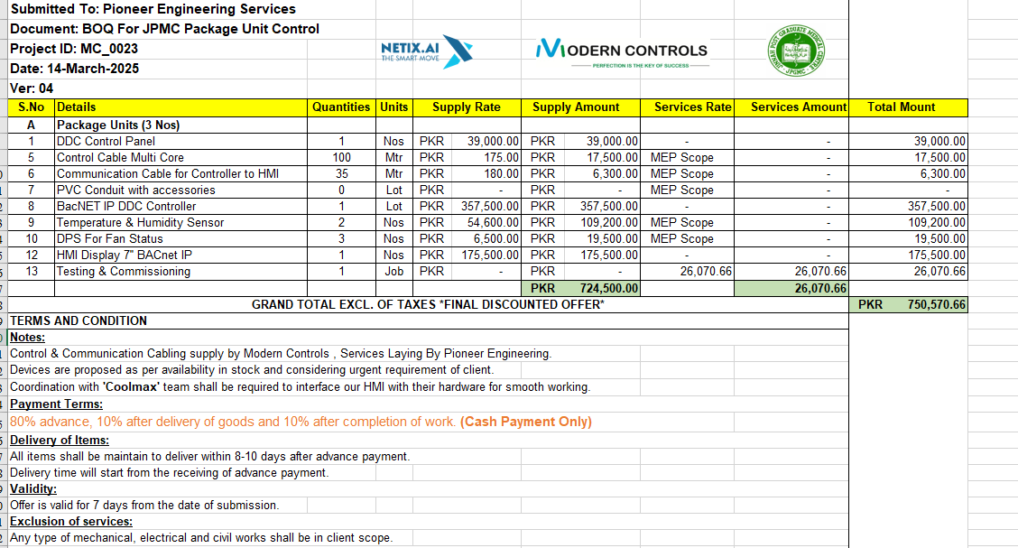

M/S MODERN CONTROLS |  |  |  |  | 4-Apr-25
PO # 179
Att: Mr. Jahangeer

PURCHASE ORDER

Supply of DDC Controls for the project (TOMO II JPMC Karachi)
S No. | D e s c r i p t i o n | Qty | Unit | Rate | Amount

 | Package Units (3 Nos)
1 | DDC Control Panel | 1 | No | 39,000 | 39,000
2 | Control Cable Multi Core | 100 | Nos | 175 | 17,500
3 | Communication Cable for Controller to HMI | 35 | Nos | 180 | 6,300
4 | PVC Conduit with accessories | 0 | Nos | - | -
5 | BacNET IP DDC Controller | 1 | No | 357,500 | 357,500
6 | Temperature & Humidity Sensor | 2 | Nos | 54,600 | 109,200
7 | DPS For Fan Status | 3 | Nos | 6,500 | 19,500
8 | HMI Display 7'' BACnet IP | 1 | No | 175,500 | 175,500
9 | Testing & Commissioning | 1 | No | 26,071 | 26,071
 |  | TOTAL: |  |  | 750,571

for PIONEER ENGINEERING SERVICES

